ASICS
PHOTO | PHOTO | ITEM N° | COLOUR | ITEM DESCRIPTION | COLOUR DESCRIPTION | 36 | 37 | 38 | 39 | 40 | 41.5 | TOTAL PAIRS | RRP
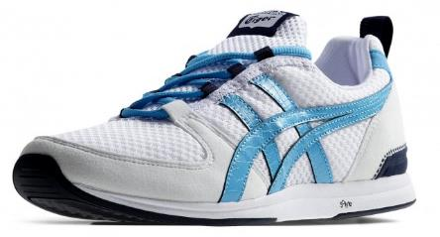 | 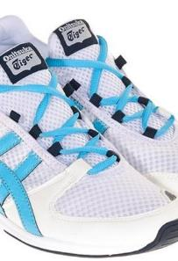 | D473N | 0141 | ULT-RACER | WHT/BLUE ATOLL | 22 | 53 | 51 | 51 | 23 | 22 | 222 | 95.00 €
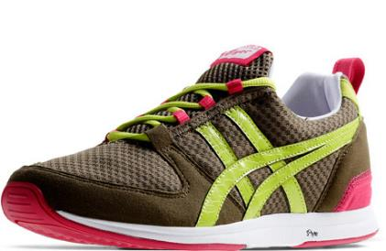 | 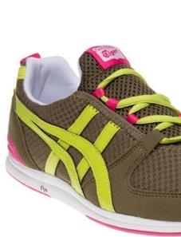 | D473N | 8689 | ULT-RACER | OLIVE/LIME | 22 | 47 | 45 | 49 | 16 | 20 | 199 | 95.00 €
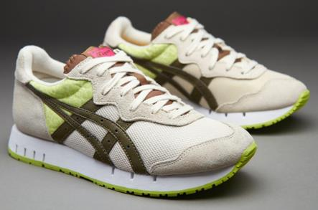 | 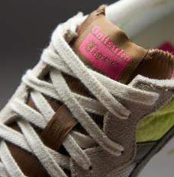 | D478N | 0286 | X-CALIBER OFF | WHT/OLIVE | 18 | 45 | 38 | 42 | 12 | 18 | 173 | 114.00 €
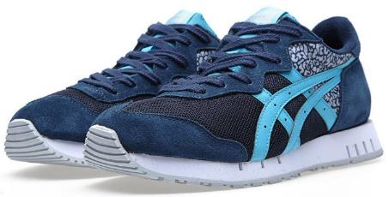 | 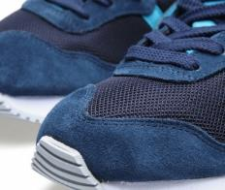 | D478N | 5041 | X-CALIBER | NAVY/BLUE ATOLL | 23 | 50 | 42 | 45 | 18 | 19 | 197 | 114.00 €
 |  |  |  |  |  | 85 | 195 | 176 | 187 | 69 | 79 | 791

